ADIDAS ORIGINALS
EAN | COD. ART. | FOTO | DESCRIZIONE | TG | AGE GROUP | DIVISION | GENDER | PRICE | VAL | QTY
4065423884879 | HC9561 | 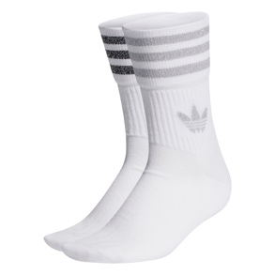 | GLT CREW SCK WHITE/GRETWO/BLACK | S | ADULT | HARDWARE | FEMALE | 9.50 € | 114.00 € | 12
4065423884886 | HC9561 |  | GLT CREW SCK WHITE/GRETWO/BLACK | KXXL | ADULT | HARDWARE | FEMALE | 9.50 € | 57.00 € | 6
4065423884893 | HC9561 |  | GLT CREW SCK WHITE/GRETWO/BLACK | XS | ADULT | HARDWARE | FEMALE | 9.50 € | 76.00 € | 8
4065429578802 | HK0301 | 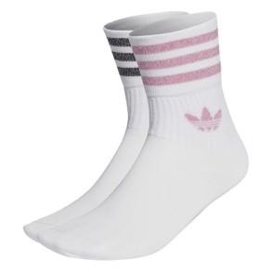 | GLT CREW SCK WHITE/BLIPNK/BLACK | KXXL | ADULT | HARDWARE | FEMALE | 9.50 € | 76.00 € | 8
4065429582434 | HK0301 |  | GLT CREW SCK WHITE/BLIPNK/BLACK | S | ADULT | HARDWARE | FEMALE | 9.50 € | 142.50 € | 15
4065429582458 | HK0301 |  | GLT CREW SCK WHITE/BLIPNK/BLACK | XS | ADULT | HARDWARE | FEMALE | 9.50 € | 95.00 € | 10
4066757416224 | IT7393 | 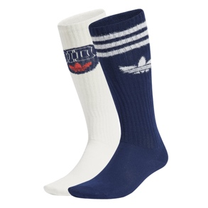 | BBAL KNEE S NINDIG/CLOWHI | L | ADULT | HARDWARE | FEMALE | 13.60 € | 54.40 € | 4
4066757418648 | IT7393 |  | BBAL KNEE S NINDIG/CLOWHI | S | ADULT | HARDWARE | FEMALE | 13.60 € | 54.40 € | 4
4066757418662 | IT7393 |  | BBAL KNEE S NINDIG/CLOWHI | M | ADULT | HARDWARE | FEMALE | 13.60 € | 81.60 € | 6
4055012811324 | S20273 | 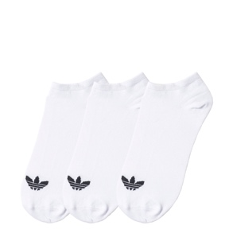 | TREFOIL LINER WHITE/WHITE/BLACK | 3134 | ADULT | HARDWARE | UNISEX | 8.50 € | 127.50 € | 15
4055012811331 | S20273 |  | TREFOIL LINER WHITE/WHITE/BLACK | 2730 | ADULT | HARDWARE | UNISEX | 8.50 € | 85.00 € | 10
4055012811348 | S20273 |  | TREFOIL LINER WHITE/WHITE/BLACK | 3942 | ADULT | HARDWARE | UNISEX | 8.50 € | 212.50 € | 25
4055012811355 | S20273 |  | TREFOIL LINER WHITE/WHITE/BLACK | 4346 | ADULT | HARDWARE | UNISEX | 8.50 € | 127.50 € | 15
4055012811362 | S20273 |  | TREFOIL LINER WHITE/WHITE/BLACK | 3538 | ADULT | HARDWARE | UNISEX | 8.50 € | 170.00 € | 20
4055012814912 | S20274 | 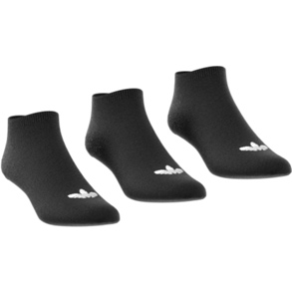 | TREFOIL LINER BLACK/BLACK/WHITE | 3942 | ADULT | HARDWARE | UNISEX | 8.50 € | 212.50 € | 25
4055012814929 | S20274 |  | TREFOIL LINER BLACK/BLACK/WHITE | 3538 | ADULT | HARDWARE | UNISEX | 8.50 € | 170.00 € | 20
4055012814936 | S20274 |  | TREFOIL LINER BLACK/BLACK/WHITE | 3134 | ADULT | HARDWARE | UNISEX | 8.50 € | 127.50 € | 15
4055012814943 | S20274 |  | TREFOIL LINER BLACK/BLACK/WHITE | 2730 | ADULT | HARDWARE | UNISEX | 8.50 € | 85.00 € | 10
4055012814950 | S20274 |  | TREFOIL LINER BLACK/BLACK/WHITE | 4346 | ADULT | HARDWARE | UNISEX | 8.50 € | 127.50 € | 15
4061616047533 | EC3603 | 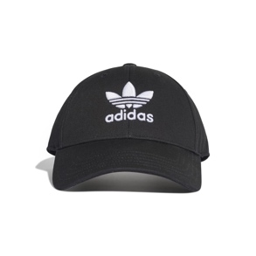 | BASEB CLASS TRE BLACK/WHITE | OSFC | ADULT | HARDWARE | UNISEX | 12.00 € | 48.00 € | 4
4061616047540 | EC3603 |  | BASEB CLASS TRE BLACK/WHITE | OSFY | ADULT | HARDWARE | UNISEX | 12.00 € | 48.00 € | 4
4061616047564 | EC3603 |  | BASEB CLASS TRE BLACK/WHITE | OSFM | ADULT | HARDWARE | UNISEX | 12.00 € | 72.00 € | 6
4061619042573 | EE1151 | 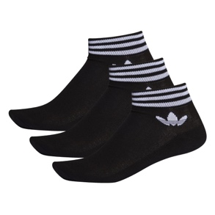 | TREF ANK SCK HC BLACK/WHITE | 3134 | ADULT | HARDWARE | UNISEX | 8.50 € | 85.00 € | 10
4061619042580 | EE1151 |  | TREF ANK SCK HC BLACK/WHITE | 4346 | ADULT | HARDWARE | UNISEX | 8.50 € | 127.50 € | 15
4061619042597 | EE1151 |  | TREF ANK SCK HC BLACK/WHITE | 3942 | ADULT | HARDWARE | UNISEX | 8.50 € | 170.00 € | 20
4061619042603 | EE1151 |  | TREF ANK SCK HC BLACK/WHITE | 2730 | ADULT | HARDWARE | UNISEX | 8.50 € | 85.00 € | 10
4061619042610 | EE1151 |  | TREF ANK SCK HC BLACK/WHITE | 3538 | ADULT | HARDWARE | UNISEX | 8.50 € | 127.50 € | 15
4061619052176 | EE1152 | 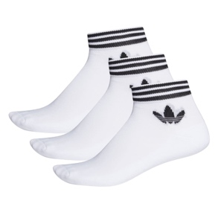 | TREF ANK SCK HC WHITE/BLACK | 2730 | ADULT | HARDWARE | UNISEX | 8.50 € | 85.00 € | 10
4061619052183 | EE1152 |  | TREF ANK SCK HC WHITE/BLACK | 3942 | ADULT | HARDWARE | UNISEX | 8.50 € | 170.00 € | 20
4061619052190 | EE1152 |  | TREF ANK SCK HC WHITE/BLACK | 3538 | ADULT | HARDWARE | UNISEX | 8.50 € | 127.50 € | 15
4061619052206 | EE1152 |  | TREF ANK SCK HC WHITE/BLACK | 4346 | ADULT | HARDWARE | UNISEX | 8.50 € | 127.50 € | 15
4061619052213 | EE1152 |  | TREF ANK SCK HC WHITE/BLACK | 3134 | ADULT | HARDWARE | UNISEX | 8.50 € | 85.00 € | 10
4062054919758 | FT8529 | 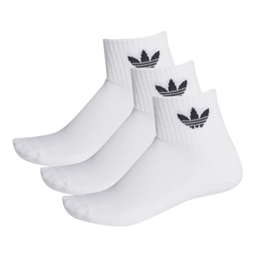 | MID ANKLE SCK WHITE/WHITE/BLACK | M | ADULT | HARDWARE | UNISEX | 8.50 € | 127.50 € | 15
4062054919765 | FT8529 |  | MID ANKLE SCK WHITE/WHITE/BLACK | XS | ADULT | HARDWARE | UNISEX | 8.50 € | 68.00 € | 8
4062054919772 | FT8529 |  | MID ANKLE SCK WHITE/WHITE/BLACK | S | ADULT | HARDWARE | UNISEX | 8.50 € | 85.00 € | 10
4062054919789 | FT8529 |  | MID ANKLE SCK WHITE/WHITE/BLACK | L | ADULT | HARDWARE | UNISEX | 8.50 € | 85.00 € | 10
4062054919796 | FT8529 |  | MID ANKLE SCK WHITE/WHITE/BLACK | KXXL | ADULT | HARDWARE | UNISEX | 8.50 € | 68.00 € | 8
4062054927296 | FM0643 | 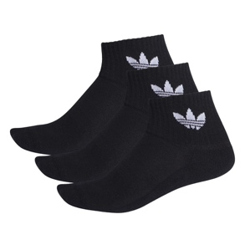 | MID ANKLE SCK BLACK | KXXL | ADULT | HARDWARE | UNISEX | 8.50 € | 68.00 € | 8
4062054927302 | FM0643 |  | MID ANKLE SCK BLACK | XS | ADULT | HARDWARE | UNISEX | 8.50 € | 68.00 € | 8
4062054927319 | FM0643 |  | MID ANKLE SCK BLACK | M | ADULT | HARDWARE | UNISEX | 8.50 € | 127.50 € | 15
4062054927326 | FM0643 |  | MID ANKLE SCK BLACK | L | ADULT | HARDWARE | UNISEX | 8.50 € | 85.00 € | 10
4062054927333 | FM0643 |  | MID ANKLE SCK BLACK | S | ADULT | HARDWARE | UNISEX | 8.50 € | 85.00 € | 10
4062055118860 | FM1325 | 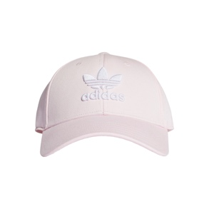 | BASEB CLASS TRE CLPINK | OSFC | ADULT | HARDWARE | UNISEX | 12.00 € | 48.00 € | 4
4062055118877 | FM1325 |  | BASEB CLASS TRE CLPINK | OSFW | ADULT | HARDWARE | UNISEX | 12.00 € | 72.00 € | 6
4062055118891 | FM1325 |  | BASEB CLASS TRE CLPINK | OSFY | ADULT | HARDWARE | UNISEX | 12.00 € | 48.00 € | 4
4066757202681 | IU2698 | 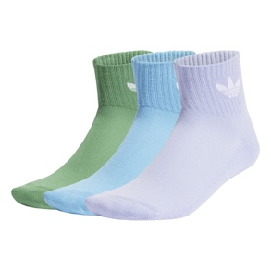 | MID ANKLE SCK SEBLBU/PRLOGR/VIOTON | S | ADULT | HARDWARE | UNISEX | 8.50 € | 42.50 € | 5
4066757202704 | IU2698 |  | MID ANKLE SCK SEBLBU/PRLOGR/VIOTON | M | ADULT | HARDWARE | UNISEX | 8.50 € | 68.00 € | 8
4066757202711 | IU2698 |  | MID ANKLE SCK SEBLBU/PRLOGR/VIOTON | L | ADULT | HARDWARE | UNISEX | 8.50 € | 42.50 € | 5
4066757202742 | IT1526 | 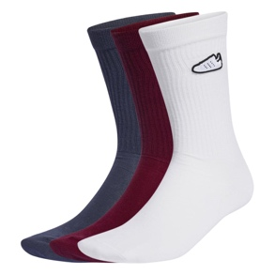 | 3PP SOCKS MAROON/WHITE/SHANAV | L | ADULT | HARDWARE | UNISEX | 14.50 € | 72.50 € | 5
4066757202766 | IT1526 |  | 3PP SOCKS MAROON/WHITE/SHANAV | S | ADULT | HARDWARE | UNISEX | 14.50 € | 72.50 € | 5
4066757202780 | IT1526 |  | 3PP SOCKS MAROON/WHITE/SHANAV | M | ADULT | HARDWARE | UNISEX | 14.50 € | 116.00 € | 8
4066757210327 | IU2660 | 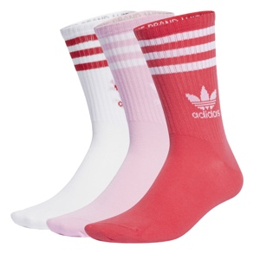 | CREW SOCK 3STR TRUPNK/ACTPNK/WHITE | S | ADULT | HARDWARE | UNISEX | 8.50 € | 85.00 € | 10
4066757210341 | IU2660 |  | CREW SOCK 3STR TRUPNK/ACTPNK/WHITE | XS | ADULT | HARDWARE | UNISEX | 8.50 € | 85.00 € | 10
4066757210358 | IU2660 |  | CREW SOCK 3STR TRUPNK/ACTPNK/WHITE | KXXL | ADULT | HARDWARE | UNISEX | 8.50 € | 68.00 € | 8
4066757210457 | IW9269 | 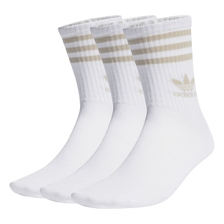 | CREW SOCK 3STR WHITE/WONBEI | M | ADULT | HARDWARE | UNISEX | 8.50 € | 102.00 € | 12
4066757210471 | IW9269 |  | CREW SOCK 3STR WHITE/WONBEI | L | ADULT | HARDWARE | UNISEX | 8.50 € | 68.00 € | 8
4066757210495 | IW9269 |  | CREW SOCK 3STR WHITE/WONBEI | S | ADULT | HARDWARE | UNISEX | 8.50 € | 68.00 € | 8
4066757210518 | IN6307 | 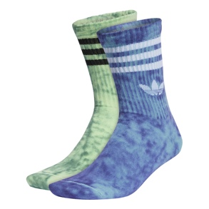 | TIEDYE SOCK 2PP PREBLU/NGTFLA/SEGRSP | S | ADULT | HARDWARE | UNISEX | 12.00 € | 48.00 € | 4
4066757210525 | IN6307 |  | TIEDYE SOCK 2PP PREBLU/NGTFLA/SEGRSP | L | ADULT | HARDWARE | UNISEX | 12.00 € | 48.00 € | 4
4066757210532 | IN6307 |  | TIEDYE SOCK 2PP PREBLU/NGTFLA/SEGRSP | M | ADULT | HARDWARE | UNISEX | 12.00 € | 72.00 € | 6
4066757214295 | IU2659 | 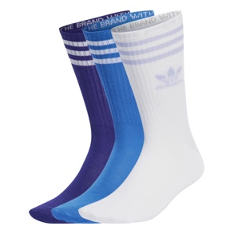 | CREW SOCK 3STR BLUBIR/ENEINK/WHITE | S | ADULT | HARDWARE | UNISEX | 8.50 € | 85.00 € | 10
4066757214301 | IU2659 |  | CREW SOCK 3STR BLUBIR/ENEINK/WHITE | KXXL | ADULT | HARDWARE | UNISEX | 8.50 € | 51.00 € | 6
4066757214318 | IU2659 |  | CREW SOCK 3STR BLUBIR/ENEINK/WHITE | M | ADULT | HARDWARE | UNISEX | 8.50 € | 127.50 € | 15
4066757214325 | IU2659 |  | CREW SOCK 3STR BLUBIR/ENEINK/WHITE | L | ADULT | HARDWARE | UNISEX | 8.50 € | 85.00 € | 10
4066757214332 | IU2659 |  | CREW SOCK 3STR BLUBIR/ENEINK/WHITE | XS | ADULT | HARDWARE | UNISEX | 8.50 € | 51.00 € | 6
4066757214363 | IU2697 | 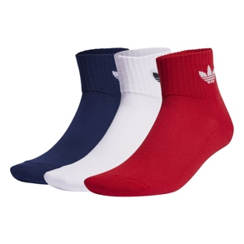 | MID ANKLE SCK NINDIG/WHITE/BETSCA | L | ADULT | HARDWARE | UNISEX | 8.50 € | 42.50 € | 5
4066757217982 | IU2697 |  | MID ANKLE SCK NINDIG/WHITE/BETSCA | M | ADULT | HARDWARE | UNISEX | 8.50 € | 68.00 € | 8
4066757217999 | IU2697 |  | MID ANKLE SCK NINDIG/WHITE/BETSCA | S | ADULT | HARDWARE | UNISEX | 8.50 € | 42.50 € | 5
4066757221927 | IW9271 | 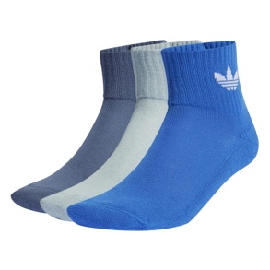 | MID ANKLE SCK BLUE/MAGGRE/PRLOIN | L | ADULT | HARDWARE | UNISEX | 8.50 € | 68.00 € | 8
4066757221934 | IW9271 |  | MID ANKLE SCK BLUE/MAGGRE/PRLOIN | M | ADULT | HARDWARE | UNISEX | 8.50 € | 85.00 € | 10
4066757221941 | IW9271 |  | MID ANKLE SCK BLUE/MAGGRE/PRLOIN | S | ADULT | HARDWARE | UNISEX | 8.50 € | 68.00 € | 8
4066757225758 | IN6308 | 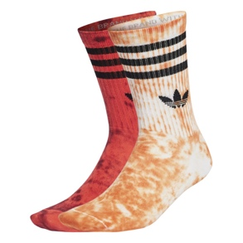 | TIEDYE SOCK 2PP WHITE/ORANGE/BRIRED | S | ADULT | HARDWARE | UNISEX | 12.00 € | 48.00 € | 4
4066757225765 | IN6308 |  | TIEDYE SOCK 2PP WHITE/ORANGE/BRIRED | M | ADULT | HARDWARE | UNISEX | 12.00 € | 72.00 € | 6
4066757225802 | IN6308 |  | TIEDYE SOCK 2PP WHITE/ORANGE/BRIRED | L | ADULT | HARDWARE | UNISEX | 12.00 € | 48.00 € | 4
4066757225819 | IU2661 | 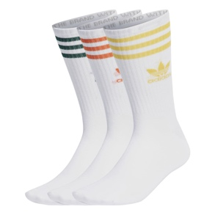 | CREW SOCK 3STR WHITE/BOGOLD/ORANGE | XS | ADULT | HARDWARE | UNISEX | 8.50 € | 51.00 € | 6
4066757225826 | IU2661 |  | CREW SOCK 3STR WHITE/BOGOLD/ORANGE | L | ADULT | HARDWARE | UNISEX | 8.50 € | 68.00 € | 8
4066757225840 | IU2661 |  | CREW SOCK 3STR WHITE/BOGOLD/ORANGE | M | ADULT | HARDWARE | UNISEX | 8.50 € | 102.00 € | 12
4066757225864 | IU2661 |  | CREW SOCK 3STR WHITE/BOGOLD/ORANGE | S | ADULT | HARDWARE | UNISEX | 8.50 € | 68.00 € | 8
4066757416163 | IS0740 | 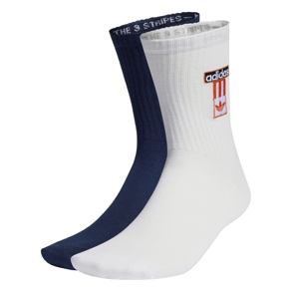 | ADBRK SOCK 2PP NINDIG/WHITE/GREFOU | L | ADULT | HARDWARE | UNISEX | 12.00 € | 48.00 € | 4
4066757416170 | IS0740 |  | ADBRK SOCK 2PP NINDIG/WHITE/GREFOU | M | ADULT | HARDWARE | UNISEX | 12.00 € | 72.00 € | 6
4066757416200 | IS0740 |  | ADBRK SOCK 2PP NINDIG/WHITE/GREFOU | S | ADULT | HARDWARE | UNISEX | 12.00 € | 48.00 € | 4
4066757423598 | IU2662 | 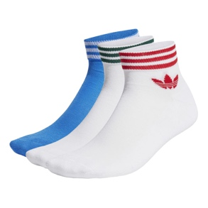 | TREF ANK SCK HC BLUBIR/WHITE/WHITE | 3942 | ADULT | HARDWARE | UNISEX | 8.50 € | 127.50 € | 15
4066757423604 | IU2662 |  | TREF ANK SCK HC BLUBIR/WHITE/WHITE | 3538 | ADULT | HARDWARE | UNISEX | 8.50 € | 85.00 € | 10
4066757423611 | IU2662 |  | TREF ANK SCK HC BLUBIR/WHITE/WHITE | 3134 | ADULT | HARDWARE | UNISEX | 8.50 € | 51.00 € | 6
4066757423628 | IU2662 |  | TREF ANK SCK HC BLUBIR/WHITE/WHITE | 2730 | ADULT | HARDWARE | UNISEX | 8.50 € | 51.00 € | 6
4066757423635 | IU2662 |  | TREF ANK SCK HC BLUBIR/WHITE/WHITE | 4346 | ADULT | HARDWARE | UNISEX | 8.50 € | 85.00 € | 10
4066757423642 | IW9268 | 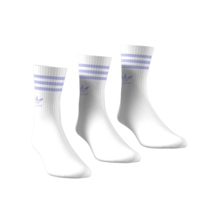 | CREW SOCK 3STR WHITE/VIOTON | S | ADULT | HARDWARE | UNISEX | 8.50 € | 68.00 € | 8
4066757425592 | IW9268 |  | CREW SOCK 3STR WHITE/VIOTON | M | ADULT | HARDWARE | UNISEX | 8.50 € | 102.00 € | 12
4066757425608 | IW9268 |  | CREW SOCK 3STR WHITE/VIOTON | L | ADULT | HARDWARE | UNISEX | 8.50 € | 68.00 € | 8
4066757425684 | IR5733 | 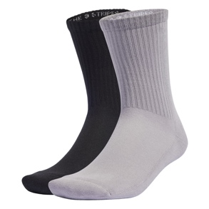 | SILV CREW 2PP BLACK/LTONIX/SILVMT | M | ADULT | HARDWARE | UNISEX | 12.00 € | 72.00 € | 6
4066757425691 | IR5733 |  | SILV CREW 2PP BLACK/LTONIX/SILVMT | L | ADULT | HARDWARE | UNISEX | 12.00 € | 48.00 € | 4
4066757425738 | IR5733 |  | SILV CREW 2PP BLACK/LTONIX/SILVMT | S | ADULT | HARDWARE | UNISEX | 12.00 € | 48.00 € | 4
4066757427916 | IU2699 | 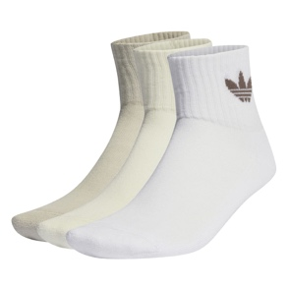 | MID ANKLE SCK PUTGRE/WHITE/IVORY | M | ADULT | HARDWARE | UNISEX | 8.50 € | 68.00 € | 8
4066757427930 | IU2699 |  | MID ANKLE SCK PUTGRE/WHITE/IVORY | L | ADULT | HARDWARE | UNISEX | 8.50 € | 42.50 € | 5
4066757427961 | IU2699 |  | MID ANKLE SCK PUTGRE/WHITE/IVORY | S | ADULT | HARDWARE | UNISEX | 8.50 € | 42.50 € | 5
4066757431616 | IW9270 | 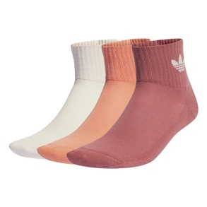 | MID ANKLE SCK WONQUA/SECOFU/WONRED | S | ADULT | HARDWARE | UNISEX | 8.50 € | 85.00 € | 10
4066757431623 | IW9270 |  | MID ANKLE SCK WONQUA/SECOFU/WONRED | M | ADULT | HARDWARE | UNISEX | 8.50 € | 51.00 € | 6
4066757431647 | IW9270 |  | MID ANKLE SCK WONQUA/SECOFU/WONRED | XS | ADULT | HARDWARE | UNISEX | 8.50 € | 51.00 € | 6
4066757836435 | IU0011 | 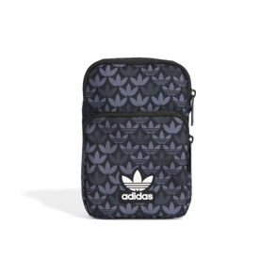 | MONO FEST BAG BLACK | NS | ADULT | HARDWARE | UNISEX | 14.50 € | 174.00 € | 12
4066759507142 | IS2998 | 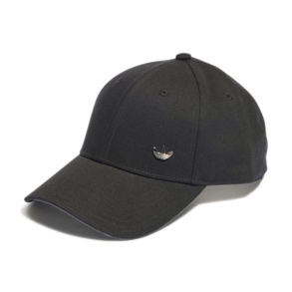 | METAL TRE BBCAP BLACK | OSFY | ADULT | HARDWARE | UNISEX | 12.00 € | 60.00 € | 5
4066759507173 | IS2998 |  | METAL TRE BBCAP BLACK | OSFM | ADULT | HARDWARE | UNISEX | 12.00 € | 96.00 € | 8
4066759518773 | IW1785 | 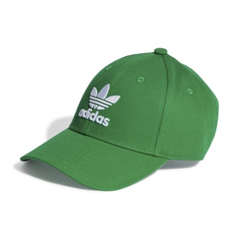 | BASEB CLASS TRE GREEN | OSFC | ADULT | HARDWARE | UNISEX | 12.00 € | 36.00 € | 3
4066759518780 | IW1785 |  | BASEB CLASS TRE GREEN | OSFM | ADULT | HARDWARE | UNISEX | 12.00 € | 60.00 € | 5
4066759518797 | IW1785 |  | BASEB CLASS TRE GREEN | OSFY | ADULT | HARDWARE | UNISEX | 12.00 € | 36.00 € | 3
4066759526358 | IS4633 | 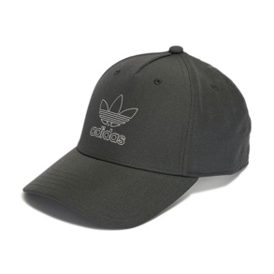 | CAP BLACK | OSFM | ADULT | HARDWARE | UNISEX | 13.60 € | 81.60 € | 6
4066759526389 | IS4633 |  | CAP BLACK | OSFY | ADULT | HARDWARE | UNISEX | 13.60 € | 54.40 € | 4
4066759530225 | IT7600 | 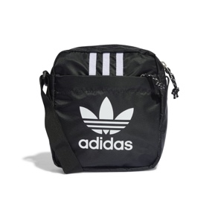 | AC FESTIVAL BAG BLACK/WHITE | NS | ADULT | HARDWARE | UNISEX | 14.50 € | 217.50 € | 15
4066759534216 | IT7603 | 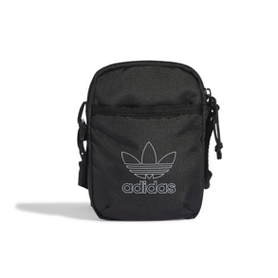 | AC FESTIVAL BAG BLACK | NS | ADULT | HARDWARE | UNISEX | 13.60 € | 163.20 € | 12
4066762034659 | IJ0733 | 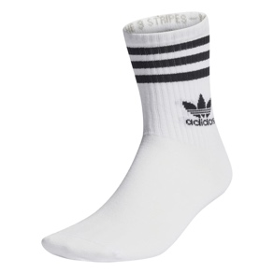 | CREW SOCK 3STR WHITE | S | ADULT | HARDWARE | UNISEX | 8.50 € | 127.50 € | 15
4066762034666 | IJ0733 |  | CREW SOCK 3STR WHITE | M | ADULT | HARDWARE | UNISEX | 8.50 € | 170.00 € | 20
4066762034673 | IJ0733 |  | CREW SOCK 3STR WHITE | XS | ADULT | HARDWARE | UNISEX | 8.50 € | 85.00 € | 10
4066762034680 | IJ0733 |  | CREW SOCK 3STR WHITE | L | ADULT | HARDWARE | UNISEX | 8.50 € | 85.00 € | 10
4066762034703 | IJ0733 |  | CREW SOCK 3STR WHITE | KXXL | ADULT | HARDWARE | UNISEX | 8.50 € | 85.00 € | 10
4066762034710 | IL5022 | 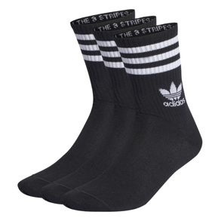 | CREW SOCK 3STR BLACK | XS | ADULT | HARDWARE | UNISEX | 8.50 € | 85.00 € | 10
4066762034727 | IL5022 |  | CREW SOCK 3STR BLACK | M | ADULT | HARDWARE | UNISEX | 8.50 € | 170.00 € | 20
4066762034734 | IL5022 |  | CREW SOCK 3STR BLACK | L | ADULT | HARDWARE | UNISEX | 8.50 € | 85.00 € | 10
4066762034741 | IL5022 |  | CREW SOCK 3STR BLACK | S | ADULT | HARDWARE | UNISEX | 8.50 € | 127.50 € | 15
4066762034758 | IL5022 |  | CREW SOCK 3STR BLACK | KXXL | ADULT | HARDWARE | UNISEX | 8.50 € | 85.00 € | 10
4066763290689 | IJ0765 | 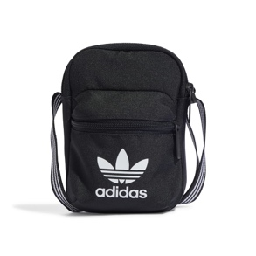 | AC FESTIVAL BAG BLACK | NS | ADULT | HARDWARE | UNISEX | 13.60 € | 163.20 € | 12
4066763302351 | II0702 | 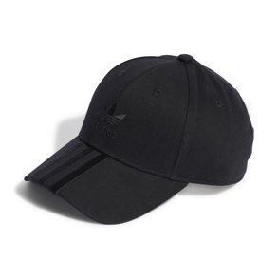 | CAP BLACK/BLACK | OSFY | ADULT | HARDWARE | UNISEX | 13.60 € | 81.60 € | 6
4066763305970 | II0702 |  | CAP BLACK/BLACK | OSFM | ADULT | HARDWARE | UNISEX | 13.60 € | 81.60 € | 6
4067889412634 | IY2004 | 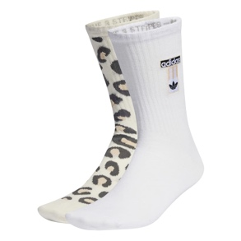 | ADBRK SOCK 2PP WONWHI/WHITE | L | ADULT | HARDWARE | UNISEX | 12.00 € | 48.00 € | 4
4066757421235 | IS0682 | 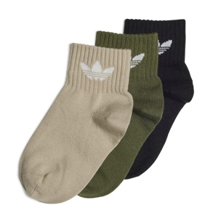 | KIDS ANKLE SOCK SAVANN/BLACK/WILPIN | KS | KIDS | HARDWARE | UNISEX | 6.50 € | 19.50 € | 3
4066757421242 | IS0682 |  | KIDS ANKLE SOCK SAVANN/BLACK/WILPIN | KXL | KIDS | HARDWARE | UNISEX | 6.50 € | 19.50 € | 3
4066757421259 | IS0682 |  | KIDS ANKLE SOCK SAVANN/BLACK/WILPIN | S | KIDS | HARDWARE | UNISEX | 6.50 € | 32.50 € | 5
4066757421266 | IS0682 |  | KIDS ANKLE SOCK SAVANN/BLACK/WILPIN | KXS | KIDS | HARDWARE | UNISEX | 6.50 € | 19.50 € | 3
4066757423437 | IS0682 |  | KIDS ANKLE SOCK SAVANN/BLACK/WILPIN | KM | KIDS | HARDWARE | UNISEX | 6.50 € | 19.50 € | 3
4066757423444 | IS0682 |  | KIDS ANKLE SOCK SAVANN/BLACK/WILPIN | KXXL | KIDS | HARDWARE | UNISEX | 6.50 € | 19.50 € | 3
4066757423451 | IS0682 |  | KIDS ANKLE SOCK SAVANN/BLACK/WILPIN | XS | KIDS | HARDWARE | UNISEX | 6.50 € | 32.50 € | 5
4066757423468 | IS0682 |  | KIDS ANKLE SOCK SAVANN/BLACK/WILPIN | KL | KIDS | HARDWARE | UNISEX | 6.50 € | 19.50 € | 3
4066757429835 | IS0684 | 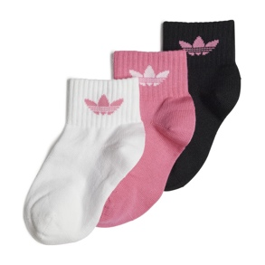 | KIDS ANKLE SOCK PNKFUS/BLACK/WHITE | KXXL | KIDS | HARDWARE | UNISEX | 6.50 € | 19.50 € | 3
4066757429842 | IS0684 |  | KIDS ANKLE SOCK PNKFUS/BLACK/WHITE | KXL | KIDS | HARDWARE | UNISEX | 6.50 € | 19.50 € | 3
4066757429859 | IS0684 |  | KIDS ANKLE SOCK PNKFUS/BLACK/WHITE | KL | KIDS | HARDWARE | UNISEX | 6.50 € | 19.50 € | 3
4066757429866 | IS0684 |  | KIDS ANKLE SOCK PNKFUS/BLACK/WHITE | KXS | KIDS | HARDWARE | UNISEX | 6.50 € | 19.50 € | 3
4066757429873 | IS0684 |  | KIDS ANKLE SOCK PNKFUS/BLACK/WHITE | KS | KIDS | HARDWARE | UNISEX | 6.50 € | 19.50 € | 3
4066757429880 | IS0684 |  | KIDS ANKLE SOCK PNKFUS/BLACK/WHITE | S | KIDS | HARDWARE | UNISEX | 6.50 € | 32.50 € | 5
4066757429897 | IS0684 |  | KIDS ANKLE SOCK PNKFUS/BLACK/WHITE | KM | KIDS | HARDWARE | UNISEX | 6.50 € | 19.50 € | 3
4066757429903 | IS0684 |  | KIDS ANKLE SOCK PNKFUS/BLACK/WHITE | XS | KIDS | HARDWARE | UNISEX | 6.50 € | 32.50 € | 5
4066763710804 | IQ3390 | 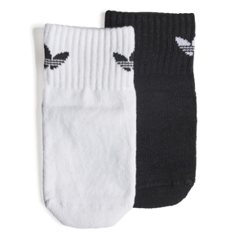 | ANT SLIP SOCK BLACK/WHITE | KXS | KIDS | HARDWARE | UNISEX | 7.00 € | 21.00 € | 3
4066763710811 | IQ3390 |  | ANT SLIP SOCK BLACK/WHITE | KS | KIDS | HARDWARE | UNISEX | 7.00 € | 21.00 € | 3
4066763710828 | IQ3390 |  | ANT SLIP SOCK BLACK/WHITE | KXL | KIDS | HARDWARE | UNISEX | 7.00 € | 21.00 € | 3
4066763710835 | IQ3390 |  | ANT SLIP SOCK BLACK/WHITE | S | KIDS | HARDWARE | UNISEX | 7.00 € | 21.00 € | 3
4066763710842 | IQ3390 |  | ANT SLIP SOCK BLACK/WHITE | KL | KIDS | HARDWARE | UNISEX | 7.00 € | 21.00 € | 3
4066763776626 | IQ3390 |  | ANT SLIP SOCK BLACK/WHITE | KM | KIDS | HARDWARE | UNISEX | 7.00 € | 21.00 € | 3
4066763776633 | IQ3390 |  | ANT SLIP SOCK BLACK/WHITE | XS | KIDS | HARDWARE | UNISEX | 7.00 € | 21.00 € | 3
4066763776657 | IQ3390 |  | ANT SLIP SOCK BLACK/WHITE | KXXL | KIDS | HARDWARE | UNISEX | 7.00 € | 21.00 € | 3

 |  |  |  |  |  |  |  |  |  | 1212

